GRADIENT BOOSTING ALGO
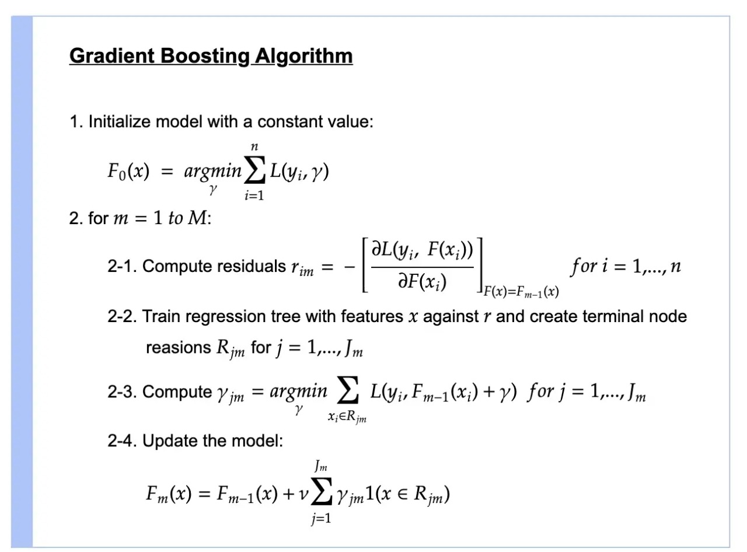
GRADIENT BOOSTING ALGORITHM

→Gradient Boosting is a popular boosting algorithm. In gradient boosting, each predictor corrects its predecessor’s error. In contrast to Adaboost, the weights of the training instances are not tweaked, instead, each predictor is trained using the residual errors of predecessor as labels. (Reference)Link --> https://www.geeksforgeeks.org/ml-gradient-boosting/ →The main idea behind this algorithm is to build models sequentially and these subsequent models try to reduce the errors of the previous model. But how do we do that? How do we reduce the error? This is done by building a new model on the errors or residuals of the previous model. (Reference) Link -->https://www.analyticsvidhya.com/blog/2021/09/gradient-boosting-algorithm-a-complete-guide-for-beginners/#h2_2

GRADIENT BOOSTING (CLASSIFICATION) ALGORITM 's MATHEMATICAL DERIVATION

→REFERENCE Derivation of G Boosting (Classification)(Copy) & LIC Pages All Derivation handwritten

→REFERENCE Derivation of G Boosting (Classification) Website URL -->https://towardsdatascience.com/all-you-need-to-know-about-gradient-boosting-algorithm-part-2-classification-d3ed8f56541e

Gradient Boosting (Class param)
GRADIENT BOOSTING (CLASSIFICATION) 's HYPER PARAMETER

Gardient Boosting is Basically ensemble of many Decision Tree So that 's why All parameters of Decision Tree model is same as in Gradient boosting model other than given minor tweaked hyper parameter in gradient boosting Ex -->min_samples_leaf,max_depth,max_features.

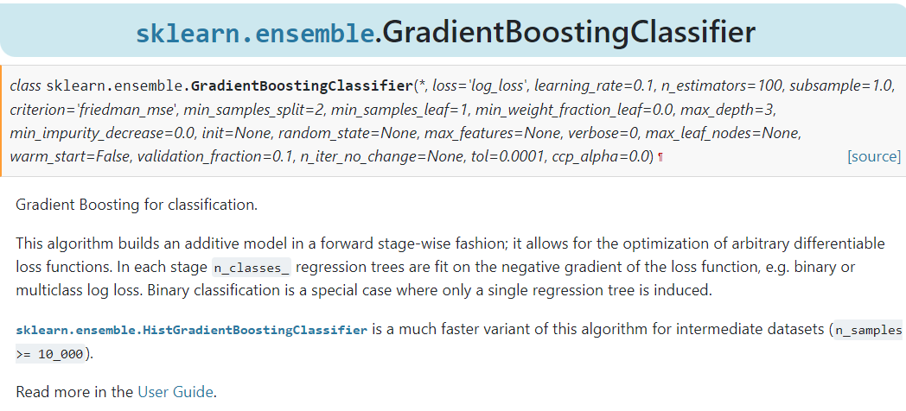

NOTICE-->So even with a grid search notice, we use the default learning rate, the default max depth and the default number of estimators. So these are actually really well chosen defaults because even in exploring other values in our grid search, those ended up being the best, which is why we see best estimate it reported back. It actually didn't show you anything because these are all default values.So we know gradient classifier at the default values were the best for this particular performance metric.

1. base_estimator : object, default=None The base estimator from which the boosted ensemble is built. Support for sample weighting is required, as well as proper classes_ and n_classes_ attributes. If None, then the base estimator is DecisionTreeClassifier initialized with max_depth=1. Basically in Other word base_estimator is the base learner used in AdaBoost algorithms. The default and most common learner is a decision tree stump (a decision tree with max_depth=1) There it Can have any ML Algorithm Model Be it SVM , Logistic Regression Model OR KNN Model or Random Forest But Adaptive Boosting Is Most apt against Decision Tree With Max _depth = 1 (Basically it means Stump).

2.n_estimators : int, default=50 The maximum number of estimators at which boosting is terminated. In case of perfect fit, the learning procedure is stopped early. Values must be in the range [1, inf). In Other Words The maximum number of estimators (models) to train sequentially. The default is 50.

3.learning_rate : float, default=1.0 Weight applied to each classifier at each boosting iteration. A higher learning rate increases the contribution of each classifier. There is a trade-off between the learning_rate and n_estimators parameters. Values must be in the range (0.0, inf). (Basically in Other Word Learning_rate is the contribution of each model to the weights and defaults to 1 . Reducing the learning rate will mean the weights will be increased or decreased to a small degree, forcing the model train slower (but sometimes resulting in better performance scores). In Other Words , Scaling the tree by the Learning Rate results in a small step in the Right Direction. REFERENCE --> You can see that in Stat quest (Gradient Boosting Regression)

4.1(a) criterion{‘friedman_mse’, ‘squared_error’, ‘mse’}, default=’friedman_mse’ → SQUARED ERROR

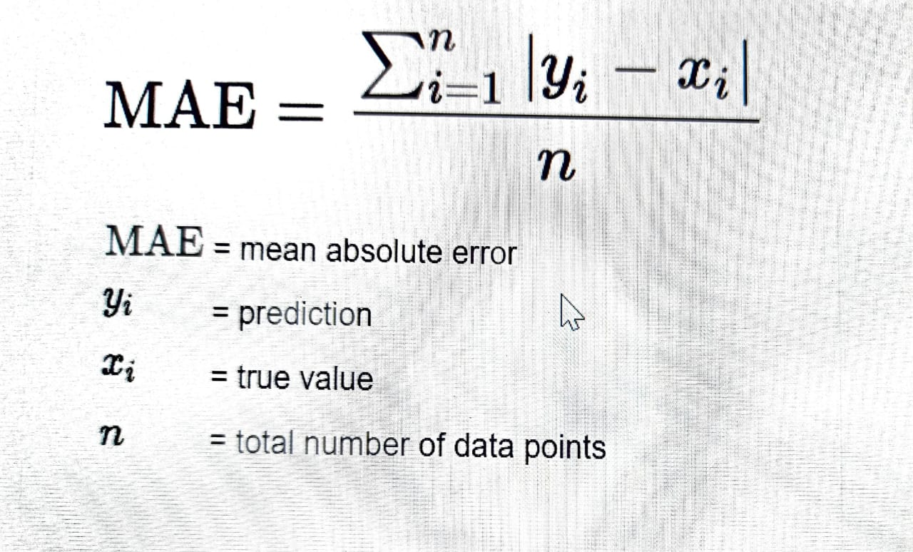 4.2(b)Absolute Error

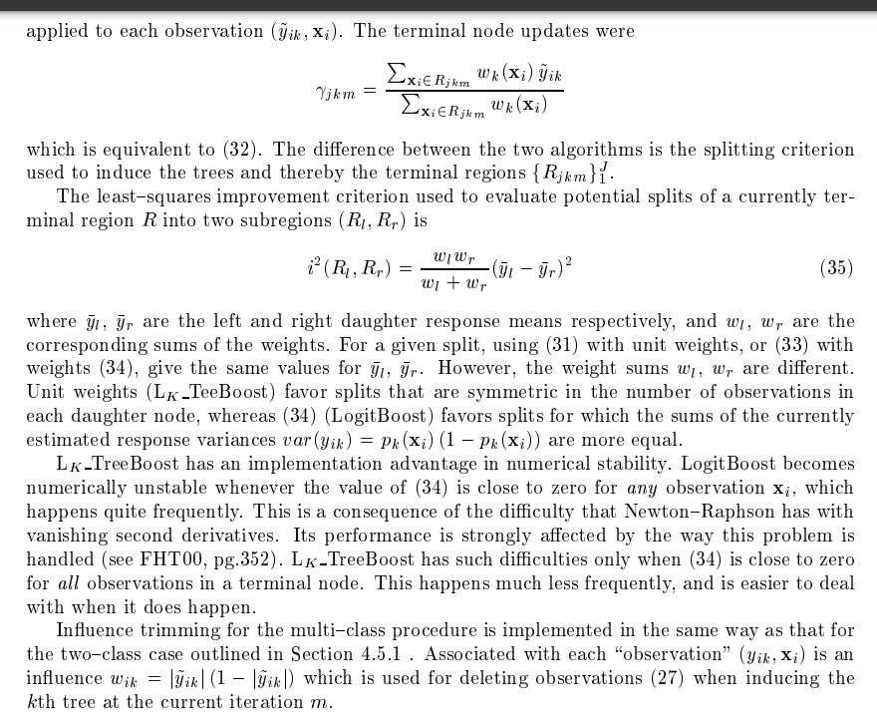 4. Friedman 's MSE--> a.Reference (Fried' Rpaper)--https://jerryfriedman.su.domains/ftp/trebst.pdf b. Reference-->https://lup.lub.lu.se/luur/download?func=downloadFile&recordOId=8954429&fileOId=8954430

5.loss{‘log_loss’, ‘deviance’, ‘exponential’}, default=’log_loss’ The loss function to use when updating the weights after each boosting iteration. As we had learn Squared , Linear Loss function in Previous Udemy Classes . For Further Information pl see this REFERENCE --> https://www.youtube.com/watch?v=QBbC3Cjsnjg

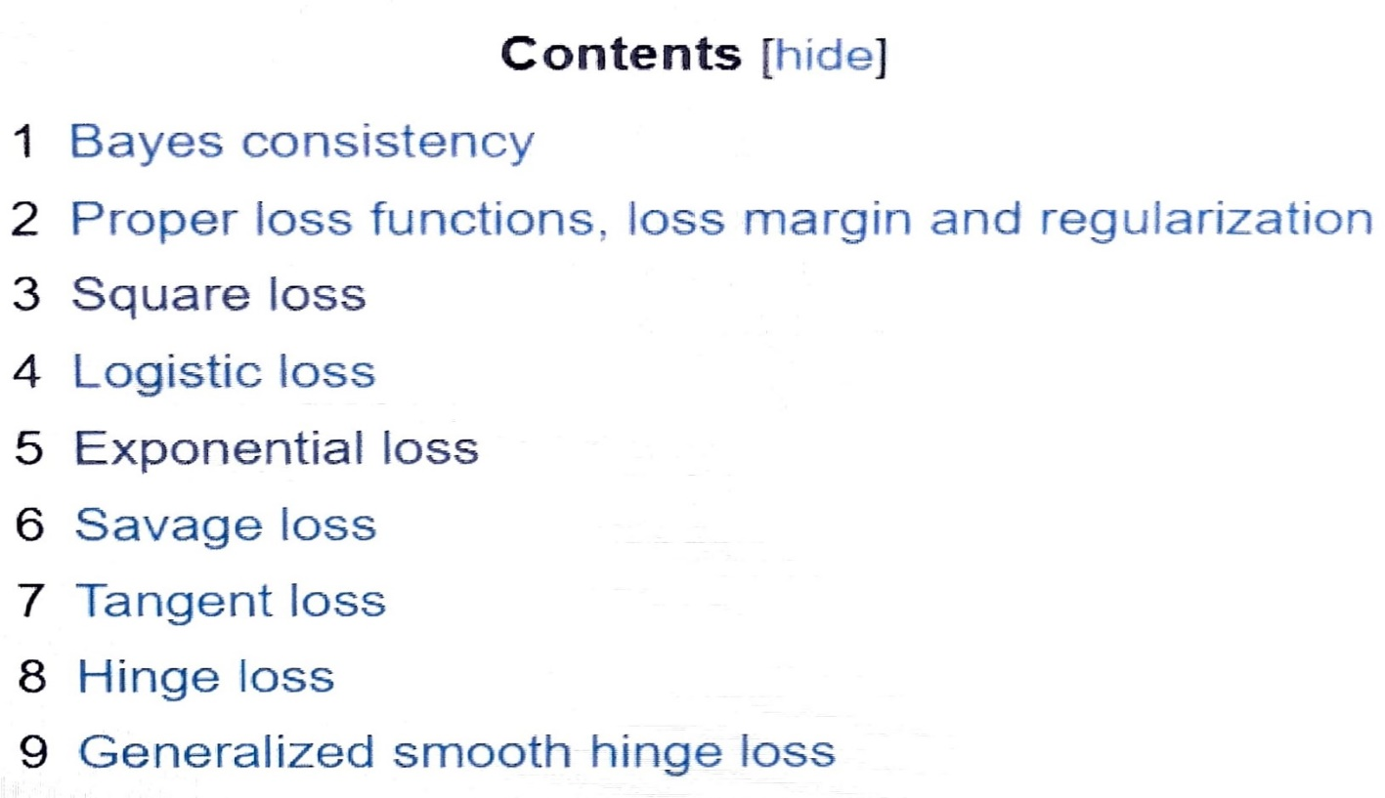 ***FURTHER LOSS FUNCTION WILL BE LEARNED IN DEEP LEARNING SO OTHER LOSS FUNCTION PL SEE DEEP LEARNING.***

